Flowchart
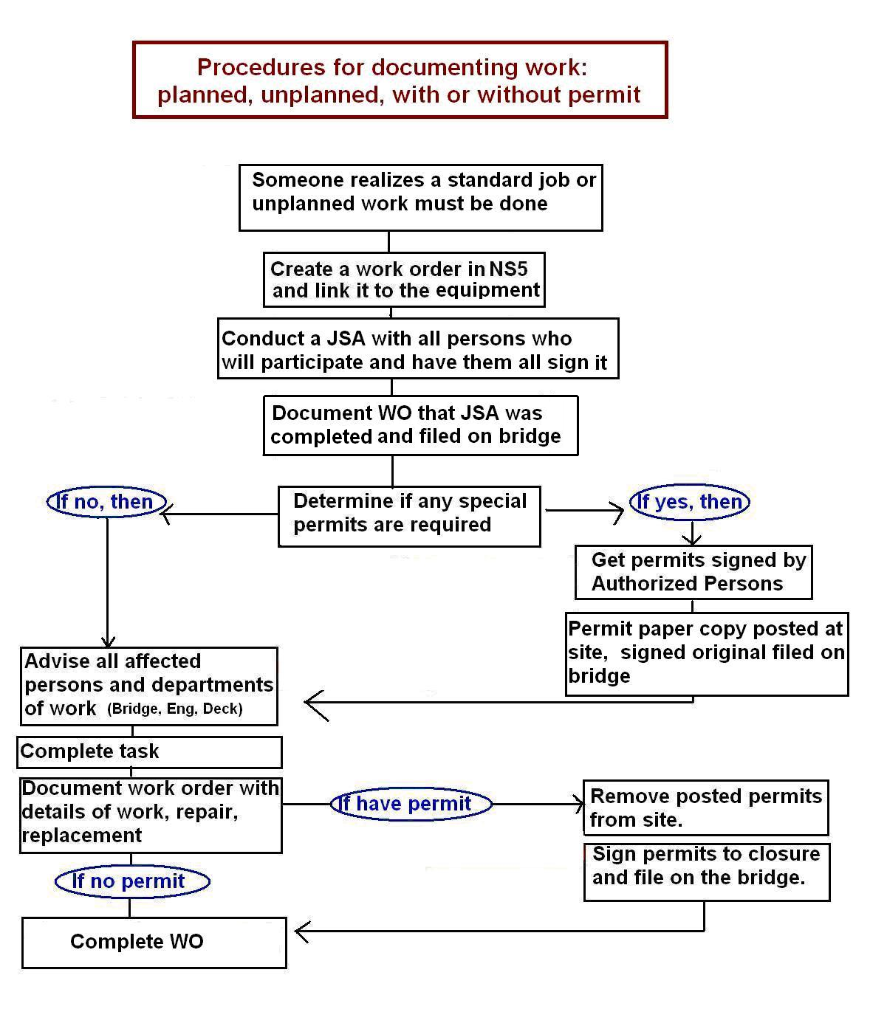
Directions for Completing Hot Work Permit

The TDI-Brooks Permit to Work System is described in SOP-GEN-012B of the Safety Management Manual. The procedures for conducting Hot Work are detailed in SOP-GEN-007J.

